Cashflow statement
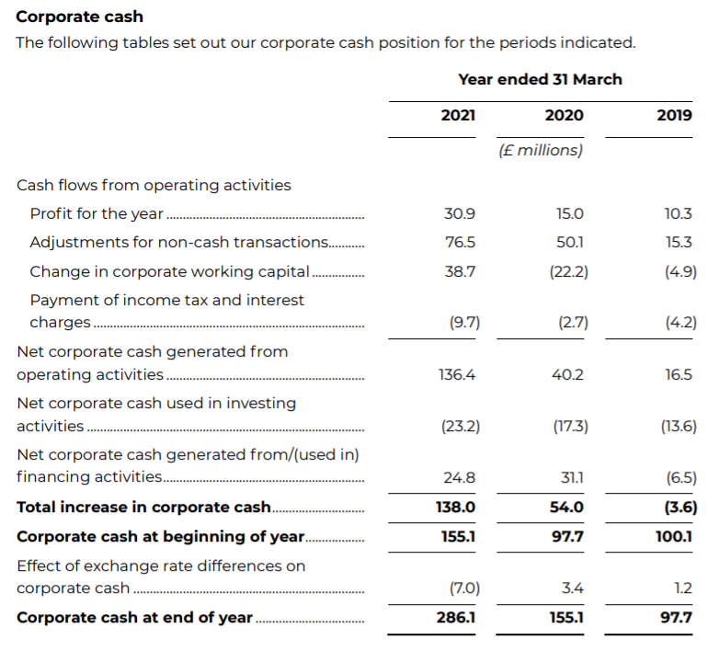
 |  | 2022 | 2023 | 2024 | 2025
Net income |  | £108.14 | £169.13 | £237.36 | £318.26
 | Increase in depreciation | £26.65 | £30.98 | £34.62 | £38.65
 | Increase in accounts receivable | -£57.89 | -£67.80 | -£79.66 | -£82.84
 | Increase in inventory | £- | £- | £- | £-
 | Increase in outstanding Tax | £19.60 | £12.26 | £13.80 | £15.69
 | Increase in Accounts payable | £3,922.37 | £4,678.17 | £6,033.13 | £5,668.01
Net Cash From Operating activities |  | £4,018.87 | £4,822.74 | £6,239.26 | £5,957.77
Investing Activities
 | Capex | -£40.68 | -£44.28 | -£47.92 | -£51.95
Net cash from investing activies |  | -£40.68 | -£44.28 | -£47.92 | -£51.95
Financing activities
 | Increase in Short Term debt | £68.55 | £79.14 | £92.98 | £96.70
 | Increase in Long Term debt | £- | £- | £- | £-
 | Increase in Common Shares | £- | £- | £- | £-
Net cash from Financing activities |  | £68.55 | £79.14 | £92.98 | £96.70
Net increase/decrease in cash |  | £4,046.74 | £4,857.60 | £6,284.32 | £6,002.51

* given the complexity of the business I was unable to extend the cashflow statement from the example provided

